Case 1
Untuk mendapatkan semua data users, kirim GET request ke https://gorest.co.in/public/v2/users

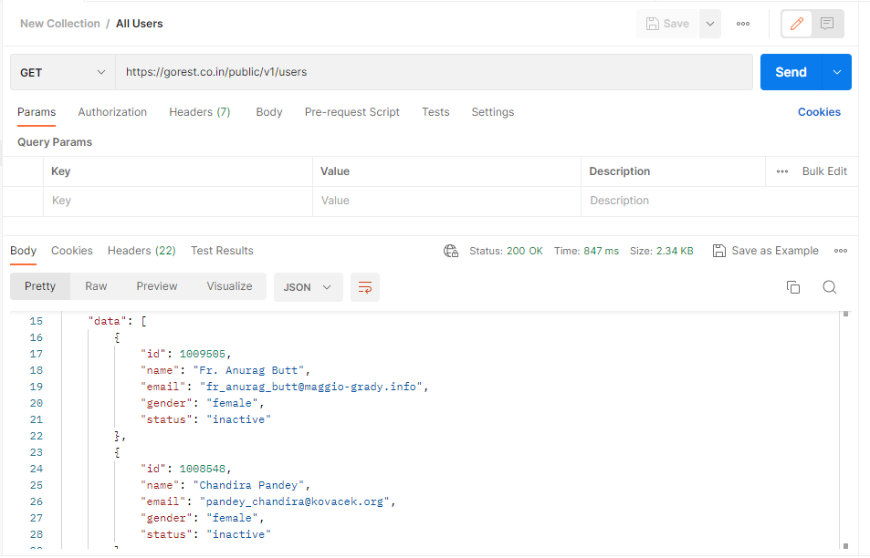
Test ID | Test Scenario | Type | Pre-Test Condition | Test Step | Expected Result | Test Result | Test Proof
API-001 | View all data | Positive | 1. Login to Postman 2. Create a new collection | 1. Create a new request in the collection folder 2. Select GET on the request option 3. Enter the URL on the request url field 4. Click on the SEND button | - Status on the response section shows 200 OK or Success - All JSON data will be displayed on the response section | Passed

Case 2
Untuk create user baru, kirim POST request ke https://gorest.co.in/public/v2/users

Test ID | Test Scenario | Type | Pre-Test Condition | Test Step | Expected Result | Test Result | Test Proof
API-002 | Create a new user | Positive | 1. Login to Postman 2. Create a new collection | 1. Create a new request in the collection folder 2. Select POST on the request option 3. Enter the URL on the request url field 4. On the Body section, select raw and JSON type 5. Type the json with new data { "name": "windiany", "gender": "female", "email": "windiany@yopmail.com", "status": "active" } 6. Click on the SEND button | - Status on the response section shows 201 Created - Return the json data with Id field | Passed | 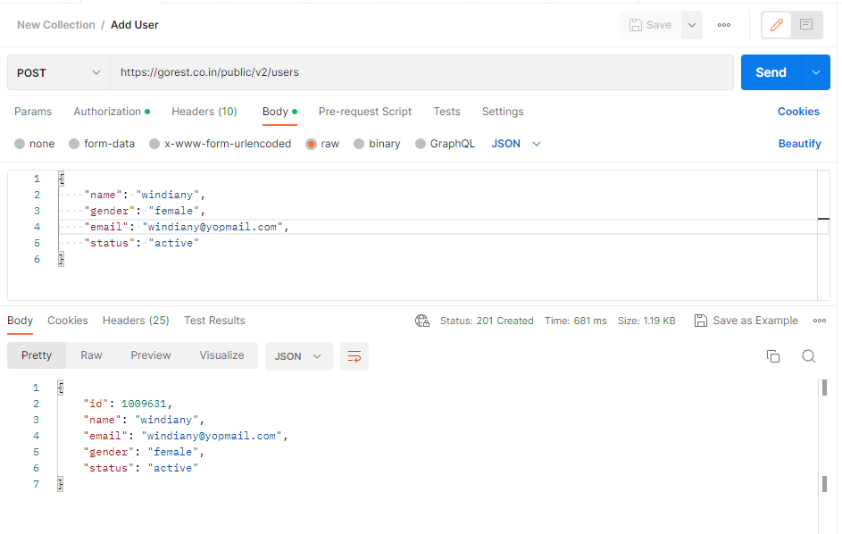
API-003 | Create a new user with same value | Negative | 1. Login to Postman 2. Create a new collection | 1. Create a new request in the collection folder 2. Select POST on the request option 3. Enter the URL on the request url field 4. On the Body section, select raw and JSON type 5. Put json data same as the previous data 6. Click on the SEND button | - Return status 422 Unprocessable Entity - Shows error message that data has already taken | Passed | 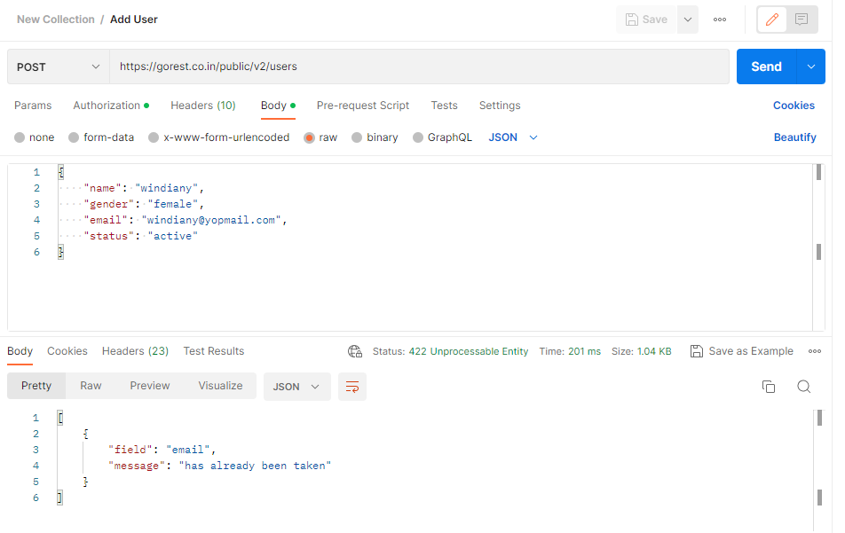
API-004 | Create a new user with one field is empty | Negative | 1. Login to Postman 2. Create a new collection | 1. Create a new request in the collection folder 2. Select POST on the request option 3. Enter the URL on the request url field 4. On the Body section, select raw and JSON type 5. Type new json data 6. Left one field empty 7. Click on the SEND button | - Return status 422 Unprocessable Entity - Shows error message that data should not be empty | Passed | 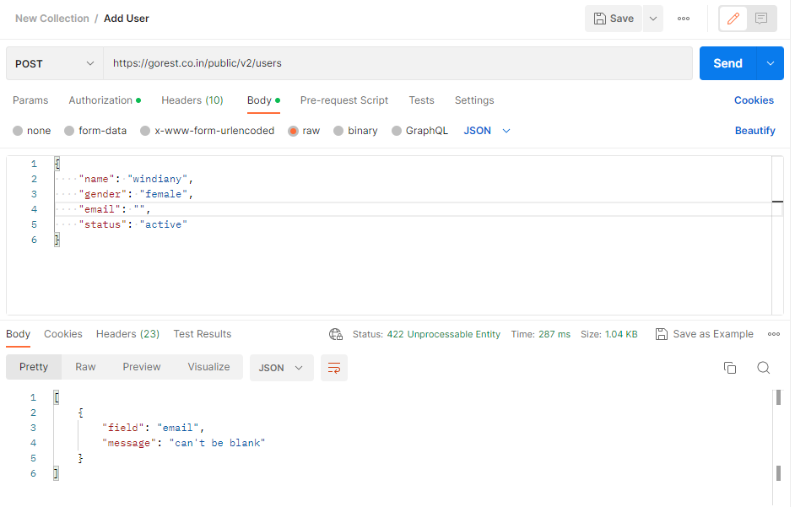

Case 3
Untuk memastikan data yang telah kalian buat berhasil, kirim GET request ke https://gorest.co.in/public/v2/users/{user_id → dari hasil post sebelumnya}.

Test ID | Test Scenario | Type | Pre-Test Condition | Test Step | Expected Result | Test Result | Test Proof
API-005 | View registered specific user | Positive | 1. Login to Postman 2. Create a new collection | 1. Create a new request in the collection folder 2. Select GET on the request option 3. Copy token from Gorest web 4. On the Authorization section, select Bearer Token 5. Paste the token from Gorest web 6. Enter the URL on the request url field 7. Add the Id from last created data on the URL 8. Click on the SEND button | - Status on the response section shows 200 OK - Return the json data of new created data | Passed | 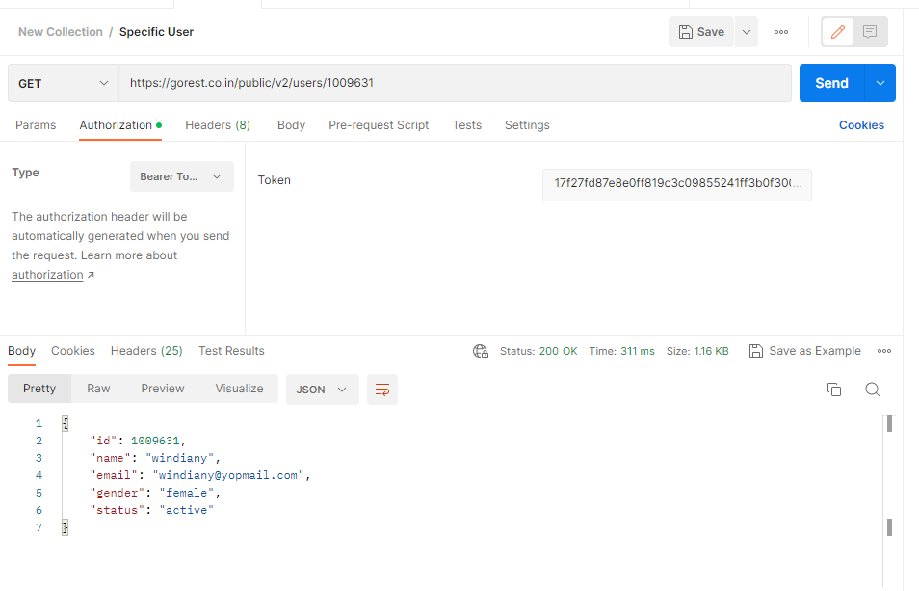
API-006 | View specific user with unregistered Id | Negative | 1. Login to Postman 2. Create a new collection | 1. Create a new request in the collection folder 2. Select GET on the request option 3. Copy token from Gorest web 4. On the Authorization section, select Bearer Token 5. Paste the token from Gorest web 6. Enter the URL on the request url field 7. Add the unregistered Id from on the URL 8. Click on the SEND button | - Return status 404 Not Found - Shows error message "Resource not found" | Passed | 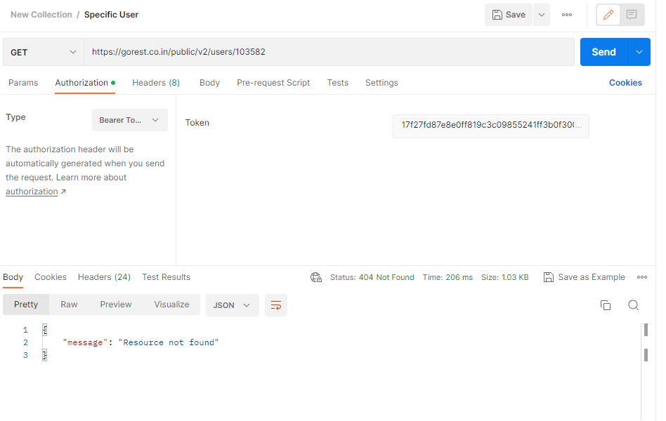
API-007 | View registered specific user without using Bearer Token | Negative | 1. Login to Postman 2. Create a new collection | 1. Create a new request in the collection folder 2. Select GET on the request option 3. Copy token from Gorest web 4. Left the Authorization section empty 5. Paste the token from Gorest web 6. Enter the URL on the request url field 7. Add the Id from last created data on the URL 8. Click on the SEND button | - Return status 404 Not Found - Shows error message "Resource not found" | Passed | 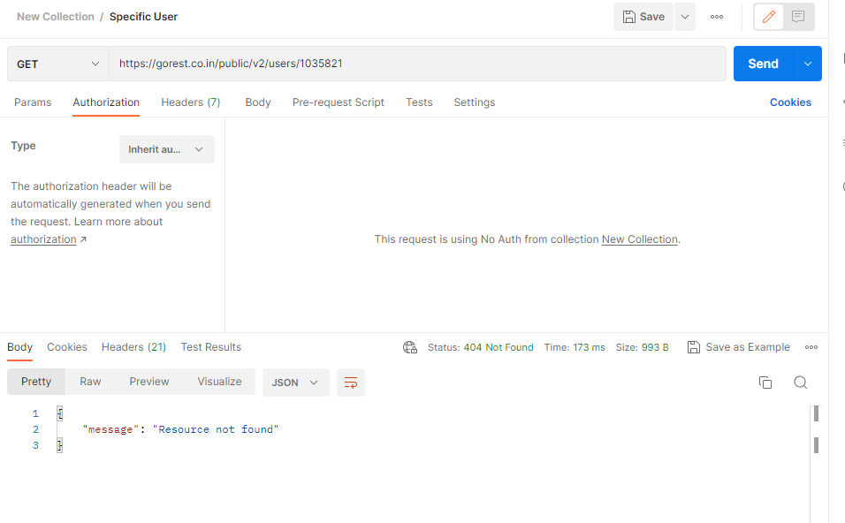

Case 4
Untuk mengubah data name, kirim PUT request ke https://gorest.co.in/public/v2/users/{user_id → dari hasil post sebelumnya}

Test ID | Test Scenario | Type | Pre-Test Condition | Test Step | Expected Result | Test Result | Test Proof
API-008 | Update value of a field | Positive | 1. Login to Postman 2. Create a new collection | 1. Create a new request in the collection folder 2. Select PUT on the request option 3. Copy token from Gorest web 4. On the Authorization section, select Bearer Token 5. Paste the token from Gorest web 6. Enter the URL on the request url field 7. Add the Id that will be edited 8. On the Body section, select raw and JSON type 9. Type the json with new data { "name": "windiany123", "gender": "female", "email": "windiany@yopmail.com", "status": "active" } 10. Click on the SEND button | - Status on the response section shows 200 OK - Return the json data with name field was updated | Passed | 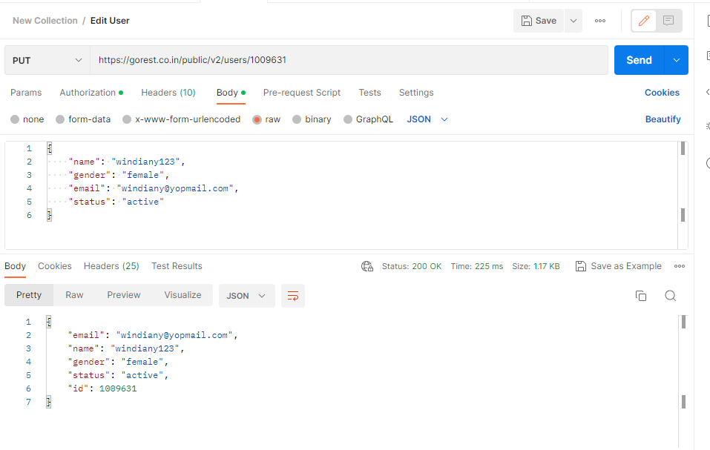
API-009 | Update value of unregistered Id | Negative | 1. Login to Postman 2. Create a new collection | 1. Create a new request in the collection folder 2. Select PUT on the request option 3. Copy token from Gorest web 4. On the Authorization section, select Bearer Token 5. Paste the token from Gorest web 6. Enter the URL on the request url field 7. Add an unregistered Id on the URL 8. On the Body section, select raw and JSON type 9. Type the json with new data { "name": "windiany123", "gender": "female", "email": "windiany@yopmail.com", "status": "active" } 10. Click on the SEND button | - Return status 404 Not Found - Shows error message "Resource not found" | Passed | 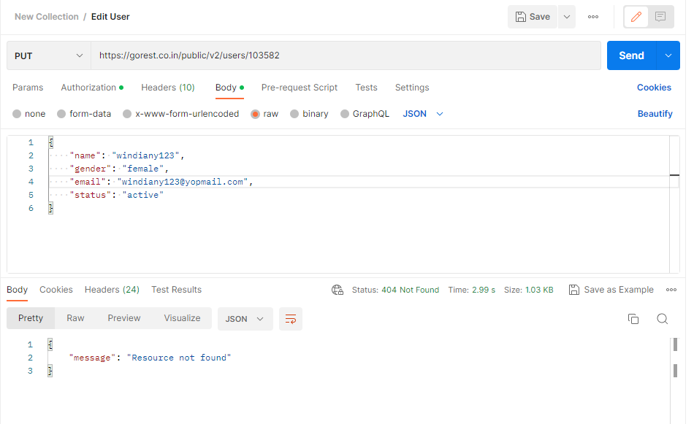
API-010 | Update value of fields without using Bearer Token | Negative | 1. Login to Postman 2. Create a new collection | 1. Create a new request in the collection folder 2. Select PUT on the request option 3. Copy token from Gorest web 4. Left the Authorization section empty 5. Paste the token from Gorest web 6. Enter the URL on the request url field 7. Add the Id that will be edited 8. On the Body section, select raw and JSON type 9. Type the json with new data { "name": "windiany123", "gender": "female", "email": "windiany@yopmail.com", "status": "active" } 10. Click on the SEND button | - Return status 404 Not Found - Shows error message "Resource not found" | Passed | 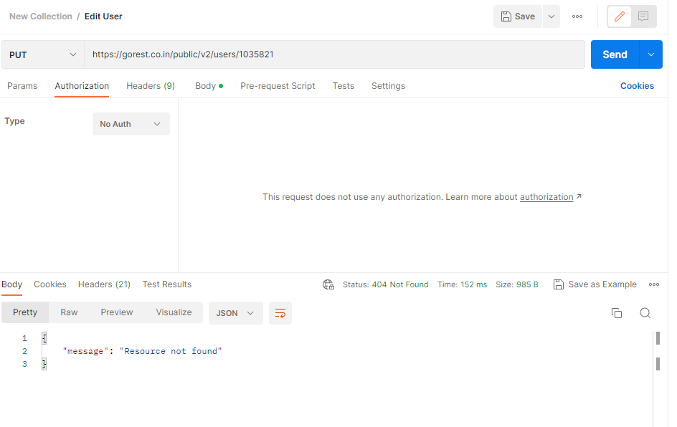

Case 5
Untuk mengubah status, kirim PATCH request ke https://gorest.co.in/public/v2/users/{user_id → dari hasil post sebelumnya}

Test ID | Test Scenario | Type | Pre-Test Condition | Test Step | Expected Result | Test Result | Test Proof
API-011 | Update value of the status field | Positive | 1. Login to Postman 2. Create a new collection | 1. Create a new request in the collection folder 2. Select PATCH on the request option 3. Copy token from Gorest web 4. On the Authorization section, select Bearer Token 5. Paste the token from Gorest web 6. Enter the URL on the request url field 7. Add the Id that will be edited 8. On the Body section, select raw and JSON type 9. Type the json with new data { "name": "windiany123", "gender": "female", "email": "windiany@yopmail.com", "status": "inactive" } 10. Click on the SEND button | - Status on the response section shows 200 OK - Return the json data with status field was updated | Passed | 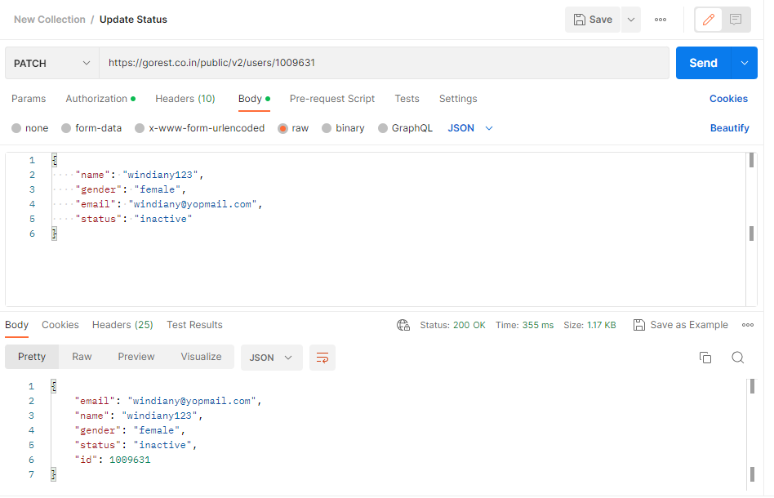
API-012 | Update status value with unregistered Id | Negative | 1. Login to Postman 2. Create a new collection | 1. Create a new request in the collection folder 2. Select PATCH on the request option 3. Copy token from Gorest web 4. On the Authorization section, select Bearer Token 5. Paste the token from Gorest web 6. Enter the URL on the request url field 7. Add an unregistered Id on the URL 8. On the Body section, select raw and JSON type 9. Type the json with new data { "name": "windiany123", "gender": "female", "email": "windiany@yopmail.com", "status": "inactive" } 10. Click on the SEND button | - Return status 404 Not Found - Shows error message "Resource not found" | Passed | 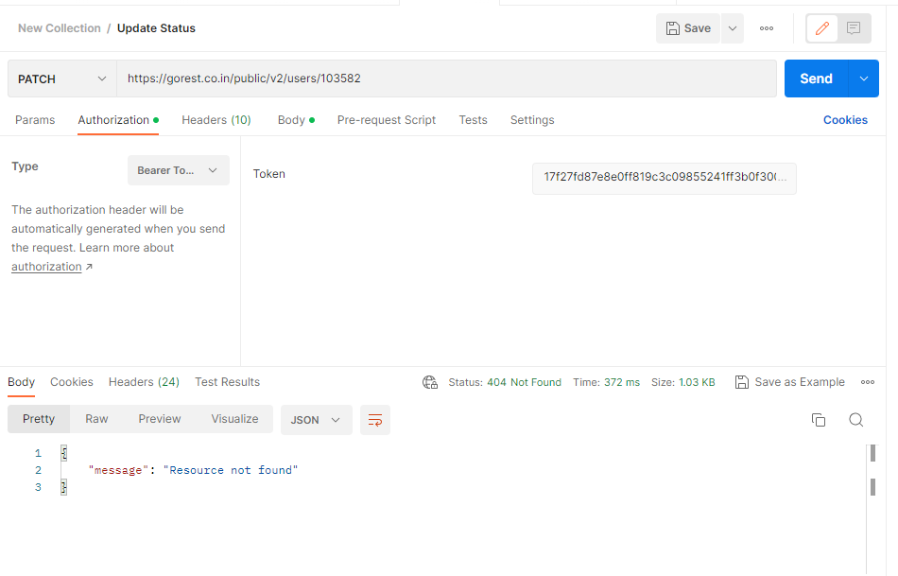
API-013 | Update status value without using Bearer Token | Negative | 1. Login to Postman 2. Create a new collection | 1. Create a new request in the collection folder 2. Select PATCH on the request option 3. Copy token from Gorest web 4. Left the Authorization section empty 5. Paste the token from Gorest web 6. Enter the URL on the request url field 7. Add the Id that will be edited 8. On the Body section, select raw and JSON type 9. Type the json with new data { "name": "windiany123", "gender": "female", "email": "windiany@yopmail.com", "status": "inactive" } 10. Click on the SEND button | - Return status 404 Not Found - Shows error message "Resource not found" | Passed | 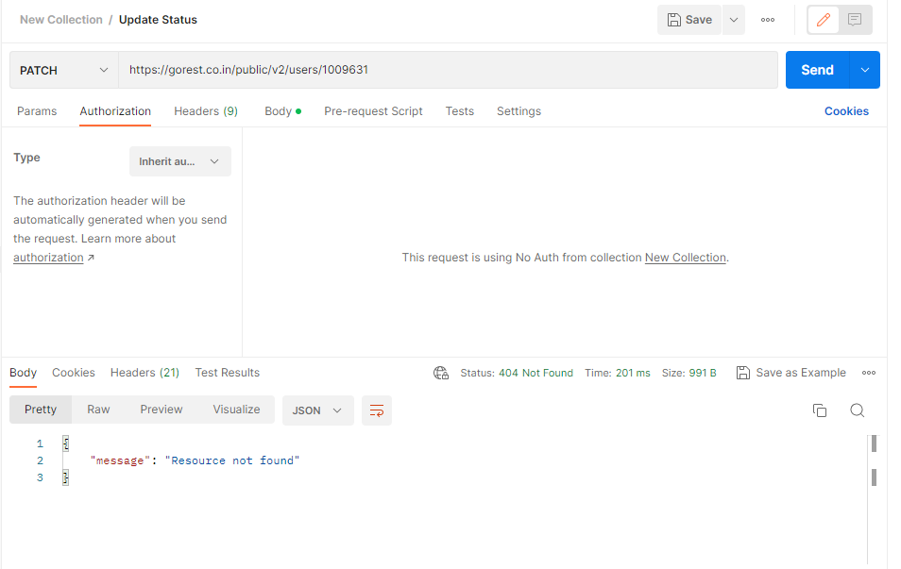

Case 6
Untuk menghapus data, kirim DELETE request ke https://gorest.co.in/public/v2/users/{user_id → dari hasil post sebelumnya}.

Test ID | Test Scenario | Type | Pre-Test Condition | Test Step | Expected Result | Test Result | Test Proof
API-014 | Delete a registered user | Positive | 1. Login to Postman 2. Create a new collection | 1. Create a new request in the collection folder 2. Select DELETE on the request option 3. Copy token from Gorest web 4. On the Authorization section, select Bearer Token 5. Paste the token from Gorest web 6. Enter the URL on the request url field 7. Add the Id from last created data on the URL 8. Click on the SEND button | - Status on the response section shows 204 No Content - Return no message on the response section | 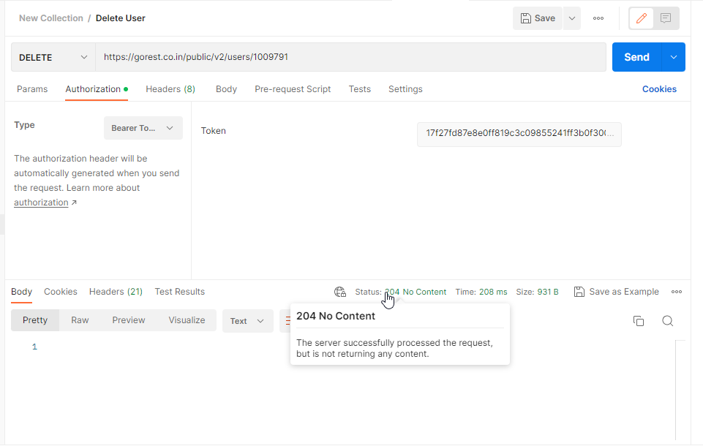 Passed
API-015 | Verify deleted user has been removed | Positive | 1. Login to Postman 2. GET specific user request has been created 3. DELETE request has been execute | 1. Go to GET request for specific user 2. On the URL field, change the Id to last deleted Id 3. Click on the SEND button | - Status on the response section shows 404 Not Found - Return message "Resource not found" | 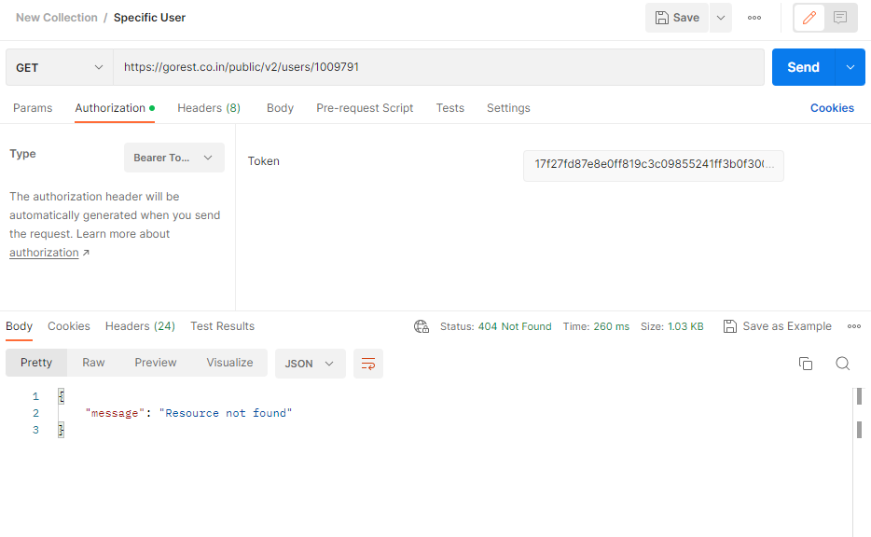 Passed
API-016 | Delete unregistered user | Negative | 1. Login to Postman 2. Create a new collection | 1. Create a new request in the collection folder 2. Select DELETE on the request option 3. Copy token from Gorest web 4. On the Authorization section, select Bearer Token 5. Paste the token from Gorest web 6. Enter the URL on the request url field 7. Add an unregistered Id on the URL 8. Click on the SEND button | - Return status 404 Not Found - Shows error message "Resource not found" | Passed | 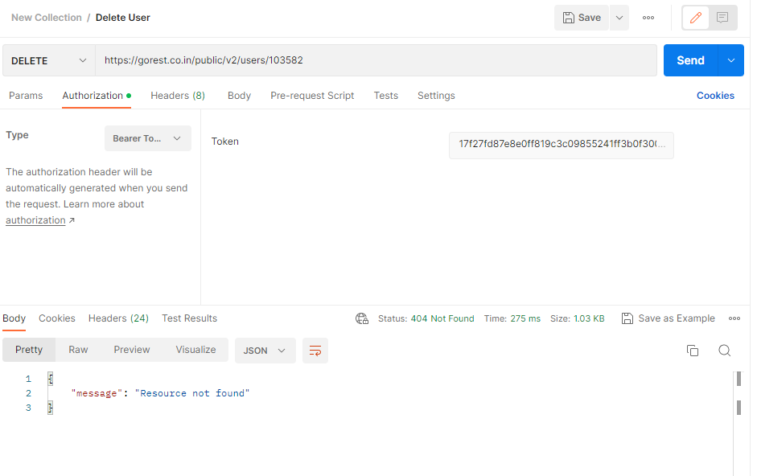
API-017 | Delete user without using Bearer Token | Negative | 1. Login to Postman 2. Create a new collection | 1. Create a new request in the collection folder 2. Select DELETE on the request option 3. Copy token from Gorest web 4. Left the Authorization section empty 5. Paste the token from Gorest web 6. Enter the URL on the request url field 7. Add the Id from last created data on the URL 8. Click on the SEND button | - Return status 404 Not Found - Shows error message "Resource not found" | Passed | 

